Computer Science Fundamentals
Computer Science Fundamentals

1
store information digitally |  |  | internt | Algorithms
* When we look at a computer, we see text and images and shapes. To a computer, all of that is just binary data, 1s and 0s |  |  | * Internet is a global network of devices,communicating with each other | * Big O notation describes how the time or space requirements of an algorithm grow as the input size grows

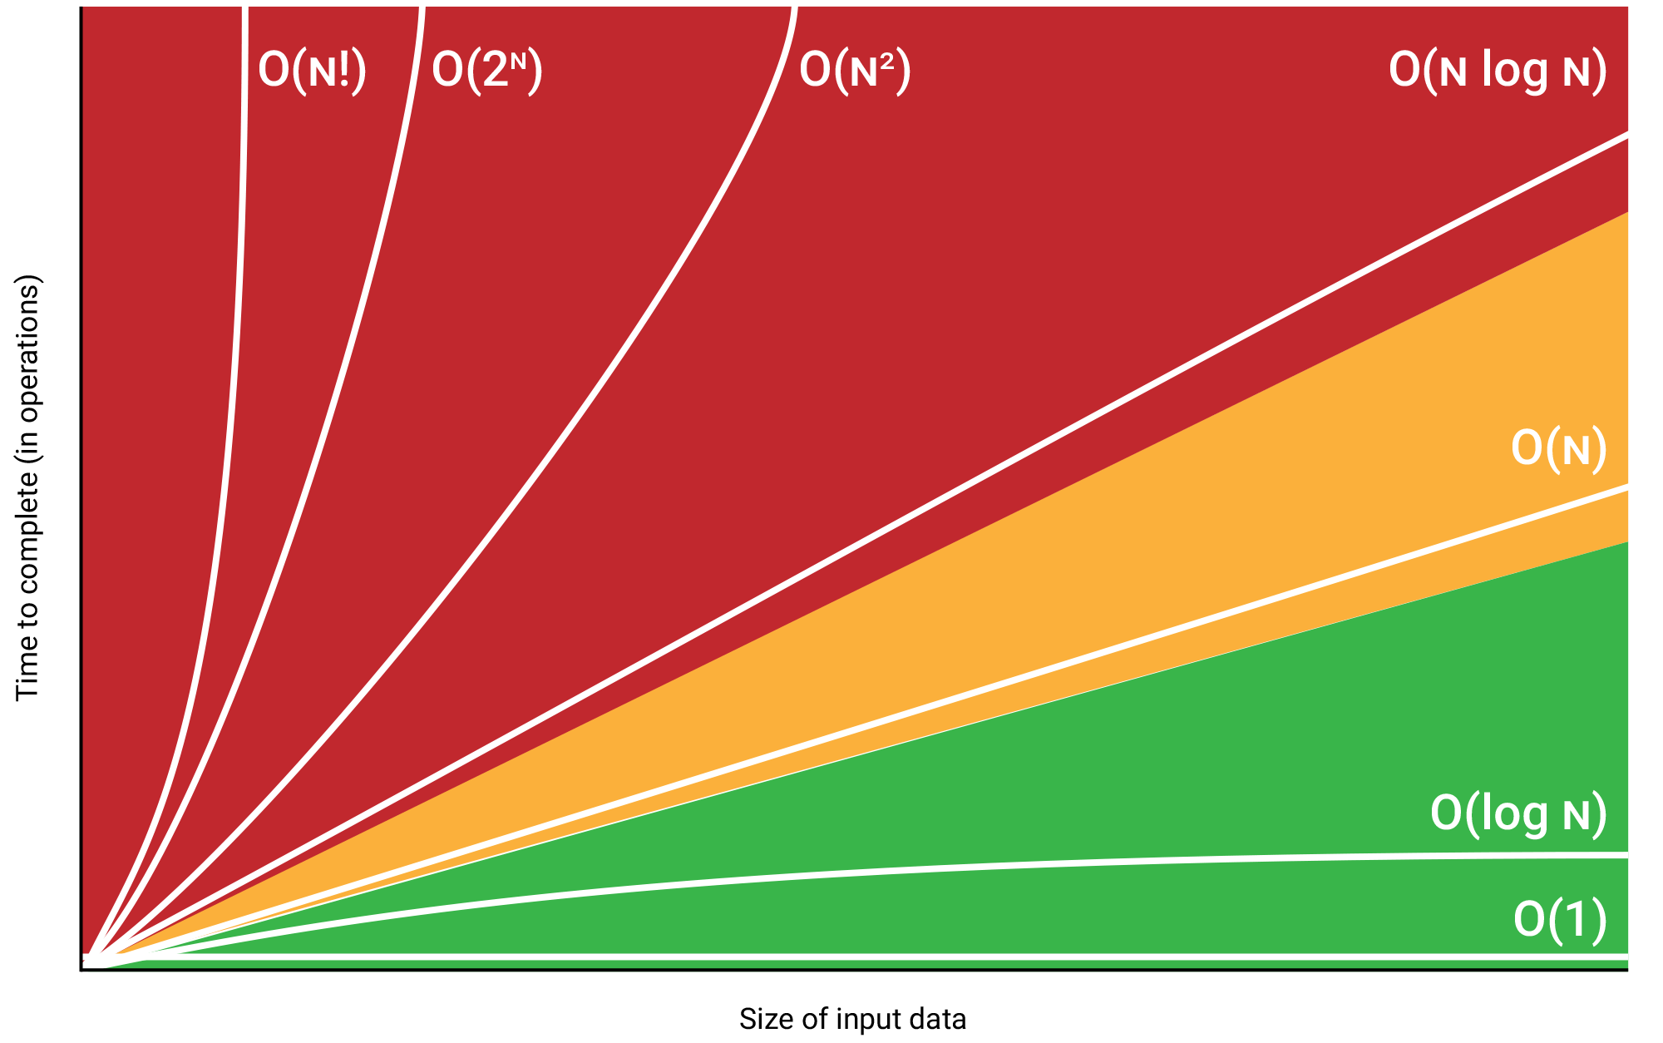
 |  |  | * IP: A protocol that uniquely identify devices
* bit stores either the value 1 or 0.byte is a unit of digital information that consists of those bits
 |  |  | * TCP/UDP: Protocols that can transport packets of data from one device to another and check for errors along the way. UDP=fast,TCP=reliable

text encoding
* ASCII Encoding:Uses 7 bits to represent 128 characters, including English letters, digits, punctuation marks, and control characters. |  |  |  | sorting algorithms
 |  |  |  | Bubble Sort (O(n^2)):Repeatedly swaps element if it is bigger than right element.[31,29,8,36]=>[29,31,8,36]=>[29,8,31,36]
 |  |  | * TLS: A secure protocol for sending encrypted data so attackers can't view private information.
* Unicode:provide a unique number for every character, regardless of language, Includes several encoding forms like UTF-8, UTF-16,... .characters have different bytes.
 |  |  |  | 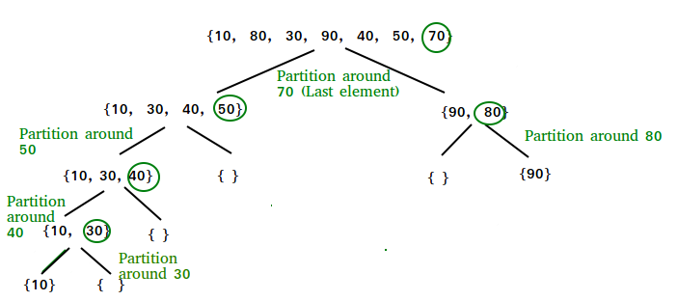 Quick Sort worse=O(n^2)/avg=O(n log(n)):The key process in quickSort is a partition() . The target of partitions is to place the pivot (any element can be chosen to be a pivot) at its correct position in the sorted array and put all smaller elements to the left of the pivot, and all greater elements to the right of the pivot.

 |  |  | * DNS (Domain Name System) is like the internet's phone book, translating website names (like www.example.com) into IP addresses (like 192.168.1.1).

compression
* Lossless reduce the size of files without losing any information in the file.(Huffman coding) * Lossy reduce the size of files by discarding the less important information in a file
 |  |  | * Whenever you visit a page on the web, your computer uses the Hypertext Transfer Protocol (HTTP) to download that page from another computer somewhere on the Internet.

Computer Science Fundamentals

2
 |  |  | Algorithms
sorting algorithms |  |  | search algorithms
Insertion Sort (O(n^2)):is like sorting playing cards .You split the cards into two groups: the sorted cards and the unsorted cards. Then, you pick a card from the unsorted group and put it in the right place in the sorted group. |  |  | Linear Search Best: O(1) Average/Worst: O(n) Description: Checks each element in the list until the target is found.

 |  |  | Binary Search Best/Average/Worst: O(log n) Repeatedly divides the sorted list in half,compare with middle if smaller search in left side if it is bigger search in right side to find the target.

Merge Sort (O(n log n)):Divides the array into halves, sorts them, and then merges them back together.

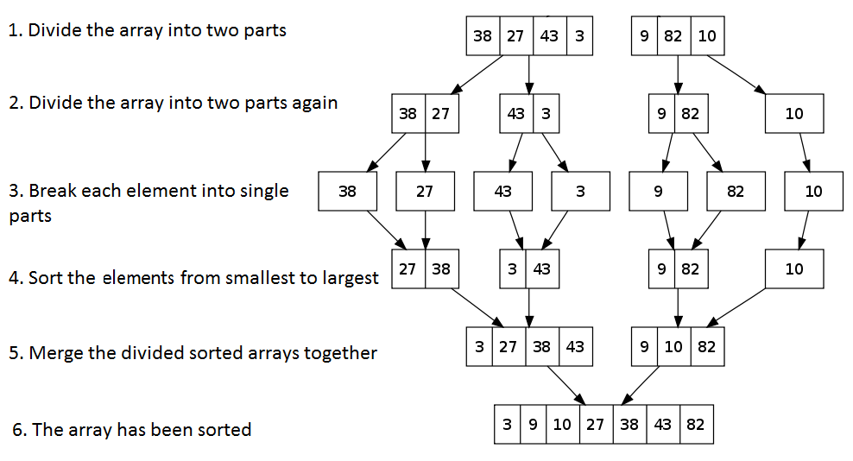

selection Sort (O(n^2)):repeatedly selects the smallest element from the unsorted portion of the list and swaps it with the first element of the unsorted part

 | Worst-case Time Complexity | Average-case Time Complexity
Bubble Sort | O(n^2) | O(n^2)
Selection Sort | O(n^2) | O(n^2)
Insertion Sort | O(n^2) | O(n^2)
Quick Sort | O(n^2) | O(nlog(n))
Merge Sort | O(nlog(n)) | O(nlog(n))
Timsort (python) | O(nlog(n)) | O(nlog(n))
Timsort: Python's built-in sort functions

Computer Science Fundamentals

3
Data Structures
Arrays:is a collection of elements stored at contiguous memory locations, providing fast indexed access but having a fixed size and less efficient insertions and deletions |  |  | Average : Insertion: O(1)/Search: O(1)/Deletion: O(1) Worst :O(n) when many collisions occur or when using a poor hash function. | binary tree: each node has at most two children

 |  |  |  | binary search tree (BST): is a special type of binary tree , For each node, the values of all the nodes in the left subtree are less than the node's value. and The values of all the nodes in the right subtree are greater.

 |  |  | stack: the last element added to the stack will be the first one to be removed. (LIFO) use cases: FunctionCalling / Undo(ctrl+z) from collections import deque # Initialize a stack stack = deque() # Push operation stack.append(10) # Pop operation stack.pop()
Linked Lists: collection of elements where each element points to the next, allowing for dynamic resizing and efficient insertions and deletions but requiring sequential access and more memory overhead due to pointers.

 |  |  |  | insert= O(log(n)) search =O(log(n)) Deletion=O(log(n)) Node is a leaf node: Simply remove the node. Node has one child: Replace the node with its child. Node has two children: Find the smallest value in the right subtree and replace with it.

 | array | linked list
index | O(1) | O(n)
insert/del at start | O(n) | O(1)
 |  |  | queue: The first element added to the queue will be the first one to be removed (FIFO). use cases: Order processing from collections import deque # Initialize a stack stack = deque() # Push operation stack.appendleft(10) # Pop operation stack.pop()
insert/del at end | O(1) if we have capacity | O(n)

insert/del at middele | O(n) | O(n)

Hash Table: A data structure that maps keys to values using a hash function. Hash Function: Converts a key into an index in the hash table. price["March"]=220 convert March to index with has function. Collision: Occurs when two keys hash to the same index.

 |  |  | for queue and stack push/pop = O(1) search =O(n)

Collision Resolution Techniques: Chaining: Each bucket of the hash table contains a linked list to store all elements that hash to the same index. Linear Probing: Sequentially checks the next slots for an empty slot.
 |  |  | genral tree: is a hierarchical data structure where each node can have number of children nodes from anytree import Node root = Node("Root") child1 = Node("Child 1",parent=root)

Basic Data Preprocessing
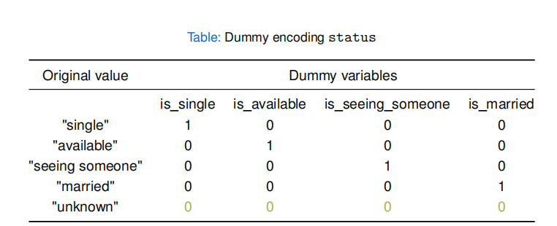
Basic Data Preprocessing

1
working with data frame in pandas | # select all the rows where gender equals Male and OnlineSecurity equals Yes
# read from csv | df_sub = df[(df[“gender”] == “Male”) & (df[“OnlineSecurity”] == “Yes”)]
df = pd.read_csv(“./customers.csv”, sep=“;”) | # group by gender and calculate mean of monthlycharegs for them
# inspect first 3 rows of dataframe | df.groupby(“gender”)[“MonthlyCharges”].mean()
df.head(3) | # group by gender and apply function
# inspect the shape of the dataframe | agg_dict = {“tenure”:[np.mean, np.sum], “MonthlyCharges”:[np.min, np.max]}
df.shape | df.groupby(“gender”).agg(agg_dict)
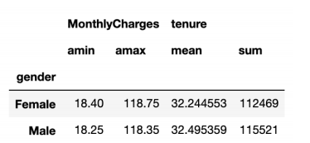
# inspect column names
df.columns
# inspect the column data types
df.dtypes
# get summary of variable
df[“MonthlyCharges”].describe()
# get summary statistics of all numeric variables
df.describe()
# get the mean of the MonthlyCharges variable | # merge two dataframe
df[“MonthlyCharges”].mean() | pd.merge(left=df_1, right=df_2, on=key, how=“outer”/“inner”/“left” / ”right”)
# get the unique categories of the InternetService variable | # Drop every duplicate row,The subset parameter allows you to drop duplicates based on a subset of columns instead of all columns
df[“InternetService”].unique()
# check if the InternetService variable only contains unique values | df.drop_duplicates(subset=[columns])
df[“InternetService”].is_unique() | # Drop one or multiple columns from a DataFrame
# convert to numeric | df.drop(columns=[columns])
pd.to_numeric(df_1[“Postal_Code”]) | # Define a function that will be applied on the specified column of each row and call it in theapply() function:
# convert to date format
pd.to_datetime(df_2[“dates”], format=“%d/%m/%Y”) | def replace_negative_values(column_obs): if column_obs < 0: return(0) else: return(column_obs)
# sort based on Scores from big to small
df_1.sort_values(by=“Scores”, ascending=False)
# select row 2 and column 3
df_sub = df.iloc[1, 2] | df_1[“Spending”].apply(replace_negative_values)
# select rows 2, 5, 6 and column 4, 5 | # Use the lambda expression in the apply() function
df_sub = df.iloc[[1, 4, 5], [3, 4]] | df_1[“Spending”].apply(lambda x: 0 if x < 0 else x)
# select rows 10 until 30 and column 3 until 5
df_sub = df.iloc[10:30, 3:5]
# select the gender and tenure columns
df_sub = df[[“gender”, “tenure”]]
# select all the rows where gender equals Male
df_sub = df[df[“gender”] == “Male”]
# select all the rows where tenure equals 1, 2 or 3
df_sub = df[df[“tenure”].isin([1, 2, 3])]

Basic Data Preprocessing

2
EDA: STATISTICAL DATA EXPLORATION | # measures the relative proportion of each category of a categorical variable
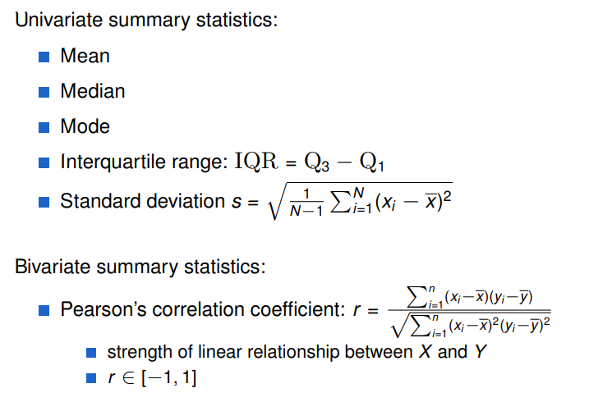
 | df[“Partner”].value_counts(normalize=True)
 | # calculate the correlation matrix for all numeric variables
 | df[“Partner”].mode()
 | # crosstab is a table that is used to aggregate and jointly display the distribution of two or more categorical variables

 | pd.crosstab(df[“gender”], df[“Partner”])

# calculate the median of tenure
np.median(df[“tenure”])
# calculate the first quartile such that 25% of the observations are lower than the first quartile

np.percentile(df[“tenure”], q=25)
# calculate the minimum of MonthlyCharges
np.min(df[“MonthlyCharges”])
# calculate the range of MonthlyCharges( difference between the maximum and minimum)

np.ptp(df[“MonthlyCharges”])
# calculate the covariance between this two
np.cov([df[“MonthlyCharges”], df[“tenure”]])
# calculate the covariance matrix for all numeric variables
df.cov(numeric_only=True)

# calculate the correlation between this two (standardizes the covariance)

np.corrcoef([df[“SeniorCitizen”], df[“tenure”]])
# calculate the correlation matrix for all numeric variables
df.corr(numeric_only=True)
# measures how much each category occurred in a categorical variable

df[“Partner”].value_counts()

Basic Data Preprocessing

3
Data cleaning | # Min and max values
1.missing value | min_value = df[“InternetService”].min()
# check if the InternetService variable have any null | max_value = df["InternetService"].max()
df[“InternetService”].isnull() | # Z-scores calculation
# see how many null this variable has | mean_value = df["InternetService"].mean() std_dev = df["InternetService"].std() df['z_score'] = (df["InternetService"] - mean_value) / std_dev
df[“InternetService”].isnull().sum()
# Drop every row with one or more NaNs
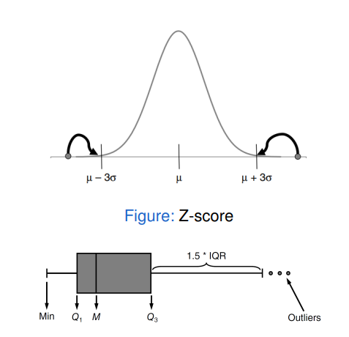
df_1.dropna()
# Drop every row with NaNs for every column | # Plotting Histograms
df_1.dropna(how=“all”) | df["InternetService"].hist(bins=20)
# Drop rows where the 'InternetService' column has NaN values | # Plotting Boxplots
df.dropna(subset=[“InternetService”], inplace=True) | df.boxplot(column=["InternetService"])
# Impute missing data with user-defined values
column_imputations = {“Name”: “UNKNOWN”,“Spend”: 0}
df_1.fillna(value=column_imputations) | 2,1: Detecting multivariate outliers:
it is good to add flag to indicate imputation for one row | from sklearn.ensemble import IsolationForest # Fit Isolation Forest model clf = IsolationForest(contamination=0.1) # contamination is the proportion of outliers clf.fit(X) # Predict outliers outliers = clf.predict(X) # -1 indicates outlier, 1 indicates normal print(outliers)
Impute with constant from training set → avoid data leakage


2.outlier | Only apply this to the training set
 | Handling: Invalid observations: treat outlier as missing value Valid observations: truncation → impose lower and upper limit on values (+ indicator), based on ... Z-score: |zi |= 3 Expert opinion

 | Nonparametric models (e.g. DT, NN, SVM) often insensitive to outliers Parametric models (e.g. LinR, LogR) often sensitive to outliers. (Nonparametric models are a type of statistical model that do not assume a specific form for the underlying data distribution.)

2,1: Detecting univariate outliers:
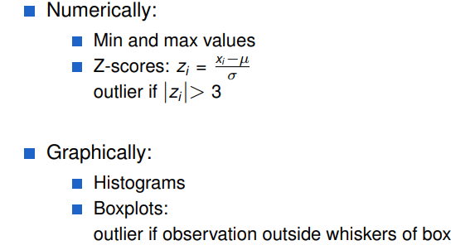
 | 3.STRING MANIPULATION
 | # Apply the replacement using regex on the 'PhoneNumber' column
 | df['PhoneNumber'] = df['PhoneNumber'].str.replace(pattern, replacement, regex=True)

Basic Data Preprocessing


4
FEATURE ENGINEERING | # One-Hot Encoding using get_dummies
 | df_encoded = pd.get_dummies(df, columns=['Category'], prefix='Category')
 | Nominal features with high cardinality (> 10): select OHE categories with top frequency Need same categories in train & test set Be aware of the dummy variable trap!

 | NUMERICAL DATA: FEATURE SCALING
 | Not needed for linear/logistic regression, but scaling makes coefficients more interpretable Necessary for models with penalization term (ridge/lasso) Important (but not necessary) for models based on Euclidean distances (SVM, KNN) Critical when performing PCA Tree-based models scale-invarian

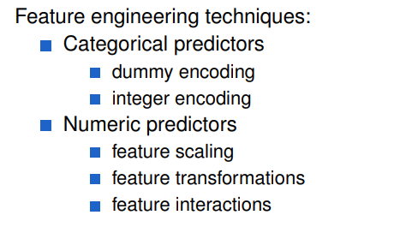



CATEGORICAL DATA: ENCODING
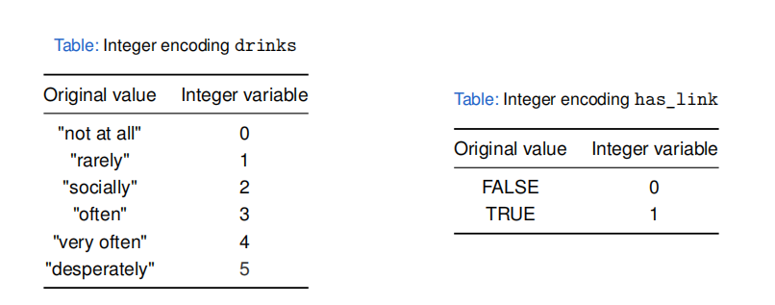

 | from sklearn.preprocessing import MinMaxScaler, StandardScaler
 | # 1. Normalization (Min-Max Scaling)
 | min_max_scaler = MinMaxScaler()
 | df_normalized = pd.DataFrame(min_max_scaler.fit_transform(df), columns=df.columns)

 | # 2. Standardization (Standard Scaling)
# Integer Encoding | standard_scaler = StandardScaler()
df['Category_Encoded'] = df['Category'].astype('category').cat.codes | df_standardized = pd.DataFrame(standard_scaler.fit_transform(df), columns=df.columns)

# Define the order of the categories
category_order = {'High School': 1, 'Bachelor': 2, 'Master': 3, 'PhD': 4}

df['EducationLevel_Encoded'] = df['EducationLevel'].map(category_order)

